Sheet1
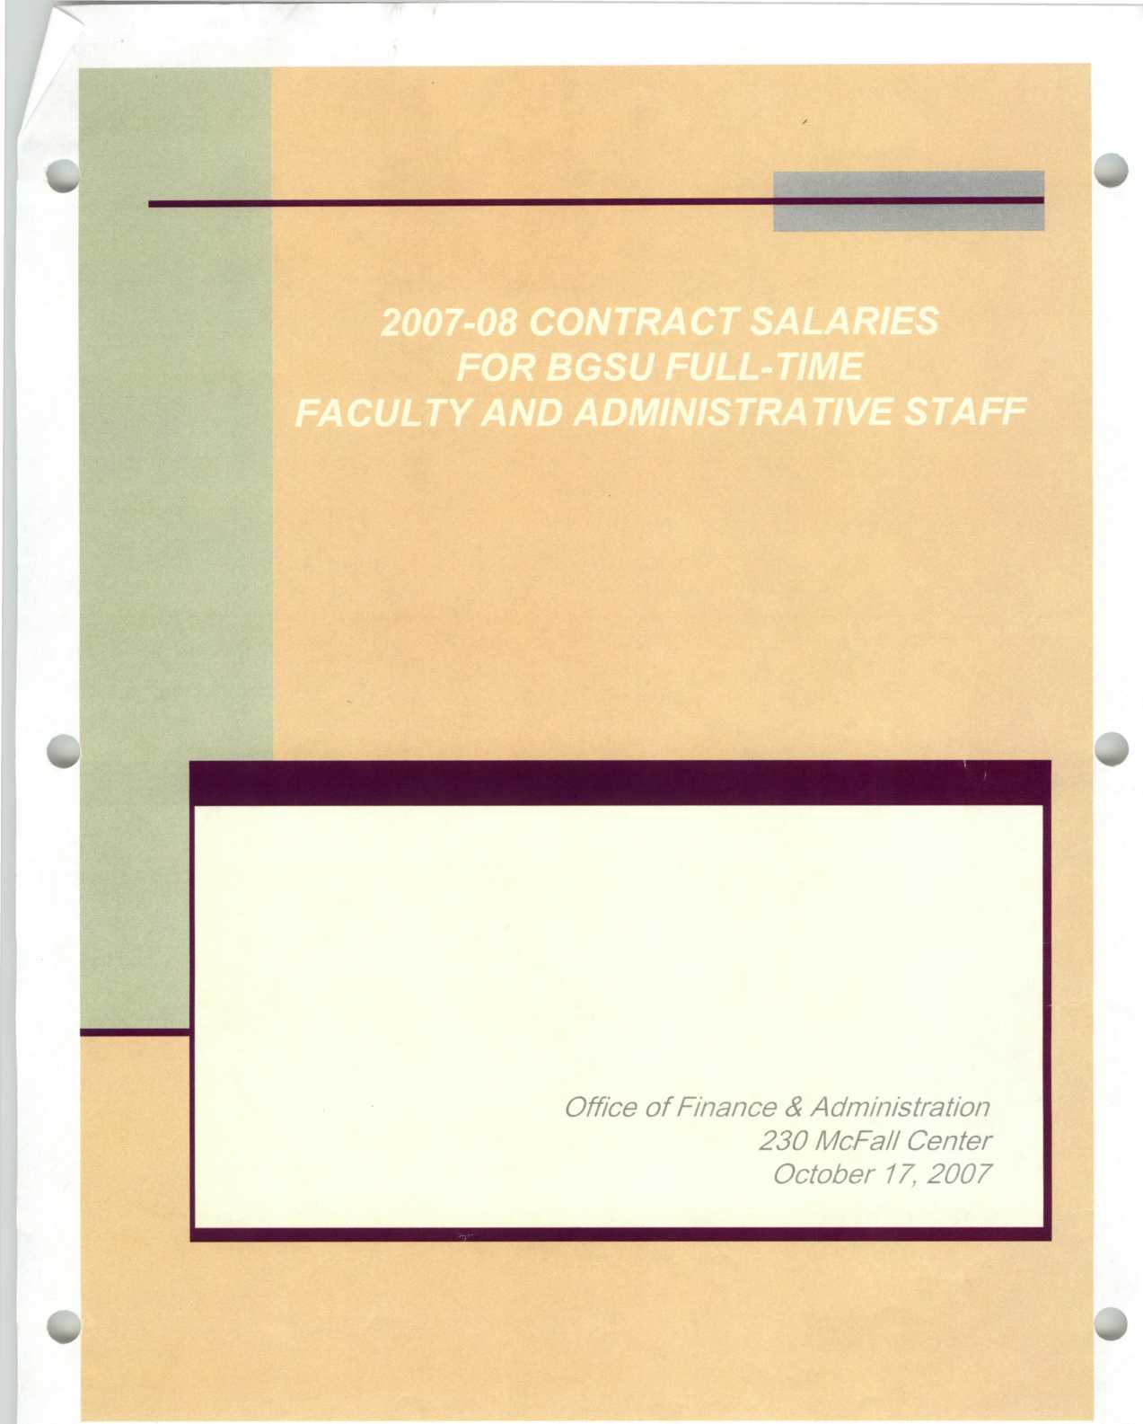

Full-Time Faculty and Administrative Staff Salaries |  |  | 2007-08
Name | — Title | Department | Salary | Stipend/Room and Board [R] | Length
Abel,Jessamyn R | Assistant Professor | History Department | $ 46,350 |  | Academic Year
Abel,Jonathan E | Assistant Professor | German-Russian Department | $ 49,583 |  | Academic Year
AbouZied.Magdy A | General Manager | Central Office - Dining Srvc | $ 49,425 |  | Fiscal Year
Adams,Judy L | Associate Professor | Medical Technology Program | $ 73,762 |  | Fiscal Year
Adams, Margaret J | Field Coordinator/lnstructor | Social Work | $ 44,813 |  | Academic Year
Addis,Lisa L | Creative Manager, COSMOS | Graduate College | $ 45,000 |  | Fiscal Year
Agich,George J | Director BGeXperience/Prof | A&S Dean | $ 150,716 | $ 15,000 | Fiscal Year
Ahi,Lawrence K | Research Associate/Machinist | Chemistry Department | $ 48,816 |  | Fiscal Year
Albert,James H | Professor | Math and Statisitics Dept | $ 94,685 |  | Academic Year
Albert,Todd H | Instructor | Geography Department | $ 42,000 |  | Academic Year
Albertini,William 0 | Assistant Professor | English Department | $ 47,817 |  | Academic Year
Albrecht,William D | Associate Professor | Accounting/MIS | $ 102,949 |  | Academic Year
Alday.Paul W | Director of Forensics/lnstruct | Dept of Interpersonal Comm | $ 40,000 |  | Academic Year
Alexandrova,Anastasia A | Instructor | German-Russian Department | $ 34,358 |  | Academic Year
Allen,Neal E | Admissions Counselor | Admissions Office | $ 40,856 |  | Fiscal Year
Alt,Andrew W | Assistant Dean of Students | Student Life | $ 50,000 |  | Fiscal Year
Ameling,Jerome | Systems Analyst | Information Technology Service | $ 69,174 |  | Fiscal Year
Ampiaw,Victoria D | Academic Advisor | A&S Dean | $ 41,597 |  | Fiscal Year
Anderson,Dawn L | Associate Professor | Family & Consumer Sciences | $ 65,858 | $ 2,000 | Academic Year
Anderson,Kelly D | Instructor | Music Performance Studies | $ 43,500 |  | Academic Year
Anderson,Mark C | Director, Materials Handling | Shipping, Receiving&Property | $ 64,185 |  | Fiscal Year
Anderson,Martin S | Director, Program/lnstructor | Fire-Applied Science | $ 48,749 | $ 2,000 | Academic Year
Anderson,Nicole S | Director, Education Abroad | International Programs | $ 46,599 |  | Fiscal Year
Anderson,Richard B | Associate Professor | Psychology Department | $ 62,125 |  | Academic Year
Andrade,A R | Assoc Prof | Ethnic Studies | $ 77,356 |  | Academic Year
Andrews,Lee T | Professor | Technology Systems | $ 95,929 |  | Academic Year
Antonelli,Patricia A | Assistant Librarian/lnstructor | Fire-Humanities | $ 49,882 |  | Fiscal Year
Anzenbacher,Pavel | Associate Professor | Chemistry Department | $ 71,517 |  | Academic Year
Archer,Candace C | Assistant Professor | Political Science Department | $ 52,605 |  | Academic Year
Armaline,William D | Dir Founding CITE/Prof/Tch/Lrn | CITE | $ 116,339 |  | Fiscal Year
Armentano,Terence M | Instructional Design/Multi Spe | Continuing & Extended Educ | $ 46,350 |  | Fiscal Year
Arrigo,Michael T | Associate Professor | School of Art | $ 58,664 |  | Academic Year
Artz,Jeffrey S | Creative Director | Media Relations | $ 72,500 |  | Fiscal Year
Ash,Julie L | Asistant Director Undrgrd Stds | Dean of Business | $ 49,542 |  | Fiscal Year
Ashcraft-Eason,Lillian | Associate Professor | History Department | $ 77,856 |  | Academic Year
Assimakopoulos.Nina | Assistant Professor | Music Performance Studies | $ 48,065 |  | Academic Year
Atalah,Alan | Associate Professor | Technology Systems | $ 74,973 |  | Academic Year
Atkinson,Joshua D | Assistant Professor | School of Comm Studies | $ 46,000 |  | Academic Year
Atwood,Thomas C | Dean | University Libraries | $ 120,000 |  | Fiscal Year
Baber,Kimberly D | Admissions Counselor | Admissions Office | $ 35,990 |  | Fiscal Year
Babine,Karen A | Instructor | General Studies Writing Prog | $ 36,033 |  | Academic Year
Badik,Annette M | Associate Director | Cooperative Education | $ 55,852 |  | Fiscal Year
Bae.Sung C | Professor | Finance | $ 134,801 |  | Academic Year
Bailey,Cynthia M | Instructor | Fire-Applied Science | $ 38,000 |  | Academic Year
Baker,Ashley R | Asst Dir Student-Athlete Svcs | ICA-Personnel | $ 35,000 |  | Fiscal Year
Baker,C S | Instructor | Dept of Interpersonal Comm | $ 35,500 |  | Academic Year
Baker,Julie K | Manager, Classroom Technology | Information Technology Service | $ 58,548 |  | Fiscal Year
Baker,Milton | Executive in Residence and Dir | Dean of Business | $ 128,750 |  | Fiscal Year
Balistreri.John A | Associate Professor | School of Art | $ 66,316 |  | Academic Year
Balistreri,Kelly S | Applied Demographer | Sociology Department | $ 58,304 |  | Fiscal Year
Ballweg,Janet C | Professor | School of Art | $ 82,312 |  | Academic Year
Balzer,William K | Associate Vice President | Continuing & Extended Educ | $ 145,508 |  | Fiscal Year
Banister,Savilla I | Associate Professor | Educ/Div Tchng & Learning | $ 61,277 |  | Academic Year
Banks,Michelle M | Director, Annual Giving | Development Office | $ 63,357 |  | Fiscal Year
Barbee,Karin W | Instructor | General Studies Writing Prog | $ 37,447 |  | Academic Year
Barbee,Matthew M | Instructor | Ethnic Studies | $ 36,500 |  | Academic Year
Barbera,Hope C | Instructor | Math and Statisitics Dept | $ 35,525 |  | Academic Year
Barger, Jack A | Instructor | General Studies Writing Prog | $ 36,581 |  | Academic Year
Barnes,James L | Technical Support Coordinator | School of Comm Studies | $ 45,789 |  | Fiscal Year
Barnes,Jodi L | Technology Support Specialist | Information Technology Service | $ 39,683 |  | Fiscal Year
Barnes,Julie A | Assoc Dean/Professor | A&S Dean | $ 124,544 | $ 4,000 | Fiscal Year
Baron,Cynthia A | Associate Professor | Theatre and Film | $ 61,800 |  | Academic Year

Page 1

Salaries shown are base rates and do not reflect voluntary reductions and overloads

Full-Time Faculty and Administrative Staff Salaries |  |  |  | 2007-08
Name |  | Title | Department |  | Salary | Stipend/Room and Board [R] | Length
 |  |  |  |  |  |  | =========
Bartlett,Charles H |  | Rich Media Specialist | Technology Systems | $ | 65,921 |  | Fiscal Year
Bastel-Powers,Linda L |  | Ast Dir/Golf Professional | Recreational Sports | $ | 32,136 |  | 9-Month
Bateson,Doreen C |  | Assistant General Manager | Central Office - Dining Srvc | $ | 49,172 |  | Fiscal Year
Batove,April E |  | Student Health Insur Manager | Health Services | $ | 42,740 |  | Fiscal Year
Battista,Peter P |  | Pre-Doctoral Psychology Intern | Counseling Center | $ | 20,432 |  | Fiscal Year
Baugher,Shirley L |  | Vice President AA and Provost | Office of the Provost | $ | 235,000 |  | Fiscal Year
Baum,Cynthia L |  | Child Development Specialist | Family & Consumer Sciences | $ | 38,710 |  | 9-Month
Beach,Kerrie M |  | Assoc Head Wms GymnasticsCoach | ICA-Personnel | $ | 36,664 |  | Fiscal Year
Beaverson,James K |  | Asst Director of Gift Planning | Development Office | $ | 73,254 |  | Fiscal Year
Bechstein.Chad |  | Server Administrator | Information Technology Service | $ | 57,789 |  | Fiscal Year
Bechtel,Pamela A |  | Assistant Professor | School of HMSLS | $ | 53,092 |  | Academic Year
Becker,Audrey L |  | Instructor | English Department | $ | 38,110 |  | Academic Year
Bed ra,Craig |  | Design Engineer | Chemistry Department | $ | 61,285 |  | Fiscal Year
Beeman,Lori A |  | Training and Doc Specialist | Information Technology Service | $ | 46,062 |  | Fiscal Year
Beerman,Burton |  | Professor | Musicology/Composition/Theory | $ | 86,924 |  | Academic Year
Begley,Mary A |  | Associate Director of Res Life | Office of Residence Life | $ | 62,473 |  | Fiscal Year
Begum,Khani |  | Associate Professor | English Department | $ | 67,068 |  | Academic Year
Belcher,Jessica A |  | COSMOS Program Manager | Graduate College | $ | 40,000 |  | Fiscal Year
Bell,Craig J |  | Director of Photography | Media Relations | $ | 58,827 |  | Fiscal Year
Bell,Donald L |  | Project Manager | Office of the President | $ | 168,000 |  | 9-Month
Bell,Jan E |  | Art Director WBGU-TV Lrng Svcs | WBGU-TV Television Service | $ | 54,988 |  | Fiscal Year
Bell,Ramona J |  | Instructor | Ethnic Studies | $ | 37,500 |  | Academic Year
Belleville,Robin M |  | Asst Director of Scholarships | Financial Aid | $ | 43,260 |  | Fiscal Year
Bellfy,Joseph C |  | Associate Director, Marketing | Alumni Office | $ | 46,292 |  | Fiscal Year
Beltano,Amy J |  | Digital Asset Analyst | Information Technology Service | $ | 43,131 |  | Fiscal Year
Beluska.Vasile 1 |  | Professor | Music Performance Studies | $ | 75,150 |  | Academic Year
Belzer,Marvin G |  | Associate Professor | Philosophy Department | $ | 70,912 |  | Academic Year
Bembry,Bonita G |  | Director | Office of Pre-College Services | $ | 56,853 |  | Fiscal Year
Benedict,Mary E |  | Professor | Economics Dept | $ | 98,134 |  | Academic Year
Benjamin,Gary M |  | Instructor | VCT-Tech Education | $ | 46,929 |  | Academic Year
Benner,Bryan |  | Associate VP for Adminstration | Operations Administration | $ | 100,426 |  | Fiscal Year
Bennion.Mark L |  | Associate Professor | Marketing | $ | 85,477 |  | Academic Year
Benson .Ashley C |  | Program Advisor | Ctr Multicultural&Acad Initiat | $ | 35,182 |  | Fiscal Year
Benson,Cynthia A |  | Associate Professor | Music Education | $ | 62,320 |  | Academic Year
Berg,Robert J |  | Associate Professor | Romance and Classical Studies | $ | 56,257 |  | Academic Year
Berger,Bonnie G |  | Director, School/Professor | School of HMSLS | $ | 119,003 | $ 4,000 | Fiscal Year
Bernhard,Keith E |  | Associate Professor | VCT-Tech Education | $ | 86,232 |  | Academic Year
Berns, Robert G |  | Professor Emeritus | Educ/Div Tchng & Learning | $ | 47,677 |  | Academic Year
Berry,Ellen E |  | Professor | English Department | $ | 80,666 |  | Academic Year
Bertelsen,Cynthia D |  | Associate Professor | Educ/Div Tchng & Learning | $ | 59,747 |  | Academic Year
Bes.Juan P |  | Associate Professor | Math and Statistics Dept | $ | 60,424 |  | Academic Year
Bhalla.Vibha |  | Assistant Professor | Ethnic Studies | $ | 50,631 |  | Academic Year
Bidart-Bouzat,Maria G |  | Assistant Professor of Biology | Biological Science | $ | 48,522 |  | Academic Year
Bigelow,William J |  | Senior Network Technician | Information Technology Service | $ | 49,788 |  | Fiscal Year
Binder,Ronald S |  | Associate Director | Office of Residence Life | $ | 66,233 |  | Fiscal Year
Bingaman.Amy L |  | Assistant Professor | School of Art | $ | 48,000 |  | Academic Year
Bingman.Verner P |  | Professor | Psychology Department | $ | 84,081 |  | Academic Year
Bird,Stephen L |  | Assistant Football Coach | ICA-Personnel | $ | 65,690 |  | Fiscal Year
Bissa.Paul M |  | Instructor | General Studies Writing Prog | $ | 37,935 |  | Academic Year
Blachowski-Dreyer,Daria |  | General Manager | Central Office - Dining Srvc | $ | 53,000 |  | Fiscal Year
Blair,Kristine L |  | Chair/Professor | English Department | $ | 89,317 | $ 4,000 | Fiscal Year
Blais,Janna V |  | Assoc Athl Dir/Sr Wms Admin | ICA-Personnel | $ | 79,944 |  | Fiscal Year
Blankinship,Bonnie J |  | Communications Manager | Media Relations | $ | 48,204 |  | Fiscal Year
Blass,Peter M |  | Instructor | Chemistry Department | $ | 41,000 |  | Academic Year
Blinn,Raymond M |  | Field Production Coordinator | WBGU-TV Television Service | $ | 36,977 |  | Fiscal Year
Blok.Rieuwert J |  | Assistant Professor | Math and Statistics Dept | $ | 57,095 |  | Academic Year
Bloomfield,Karen A |  | Instructor | VCT-Tech Education | $ | 35,000 |  | Academic Year
Bly,George A |  | Senior Systems Programmer | Information Technology Service | $ | 71,191 |  | Fiscal Year
Boatwright,Earl W |  | Instructor | Marketing | $ | 52,266 |  | Academic Year
Boersma,Douglas G |  | Dir Sports Med/Hd Athl Tr | ICA-Personnel | $ | 62,240 |  | Fiscal Year
Boff,Colleen T |  | 1st Yr Experience Librarian | University Libraries | $ | 56,988 |  | Fiscal Year
Bohland.Adam R |  | Manager | Central Office - Dining Srvc | $ | 36,000 |  | Fiscal Year

Page 2

Salaries shown are base rates and do not reflect voluntary reductions and overloads

Full-Time Faculty and Ac |  | Iministrative Staff Salaries | 2007-08
Name | Title | Department | Salary | Stipend/Room and Board [R] | Length
Boone,Steven E | Assistant Professor | Theatre and Film | $ 52,528 |  | Academic Year
Booth, Margaret Z | Associate Professor | Leadership and Policy Studies | $ 62,949 |  | Academic Year
Border, David A | Associate Professor | Technology Systems | $ 68,941 |  | Academic Year
Bortel, Robert W | Director | Student Publications | $ 77,002 |  | Fiscal Year
Bott,Timothy S | Assistant Professor | School of HMSLS | $ 51,765 |  | Academic Year
Boucher,Robert J | Sr Proj Mgr - Engineering | Design & Construction | $ 71,332 |  | Fiscal Year
Boudreau,Nancy S | Associate Professor | Applied Statistics/Oper Res | $ 90,897 |  | Academic Year
Boughton,Robert 1 | Professor | Physics & Astronomy | $ 99,902 |  | Academic Year
Bouzat,Juan L | Associate Professor | Biological Science | $ 60,412 |  | Academic Year
Bowe,Alan F | Director Of Technical Services | WBGU-TV Television Service | $ 83,946 |  | Fiscal Year
Boyce,Deborah S | Dir of Promos & Public Rel | WBGU-TV Television Service | $ 55,580 |  | Fiscal Year
Boyd-Barrett,Joseph 0 | Director/Professor | School of Comm Studies | $ 118,298 | $ 4,000 | Fiscal Year
Boyraz,Guler | Pre-Doctoral Psychology Intern | Counseling Center | $ 20,432 |  | Fiscal Year
Bozigar,Shannon | Reading/Study Skills Specialist | Academic Enhancement | $ 25,867 |  | 9-Month
Brackenbury,Timothy P | Associate Professor | Communications Disorders | $ 58,627 |  | Academic Year
Bradford,James L | Instructor of Technology | VCT-Tech Education | $ 46,929 |  | Academic Year
Bradie,Michael P | Professor | Philosophy Department | $ 91,088 |  | Academic Year
Bradshaw,Katherine A | Associate Professor | Journalism Department | $ 59,202 |  | Academic Year
Brady,Joyce A | Systems Analyst | Information Technology Service | $ 70,854 |  | Fiscal Year
Bragg,Ann E | Instructor | Physics & Astronomy | $ 45,928 |  | Academic Year
Bragg,Daniel J | Associate Professor | Management | $ 85,280 |  | Academic Year
Brahier,Daniel J | Professor | Educ/Div Tchng & Learning | $ 75,812 |  | Academic Year
Brandeberry.Chad L | Digital Services Manager | Information Technology Service | $ 57,365 |  | Fiscal Year
Brandeberry,Tyler R | Technology Support Specialist | Fire-Technology Support Svcs | $ 40,163 |  | Fiscal Year
Brandon,Gregg W | Head Football Coach | ICA-Personnel | $ 163,909 |  | Fiscal Year
Brant,Zhanna | Staff Physician | Health Services | $ 128,219 |  | Fiscal Year
Braziunaite.Ramune | Instructor | Dept of Interpersonal Comm | $ 36,505 |  | Academic Year
Brecher,Arthur S | Professor | Chemistry Department | $ 80,459 |  | Academic Year
Brendlinger,Nancy H | Associate Professor | Journalism Department | $ 66,101 |  | Academic Year
Bressler,Scot A | Director of Ticket Operations | ICA-Personnel | $ 37,596 |  | Fiscal Year
Britton,Sharon M | Librarian/Assistant Professor | Fire-Humanities | $ 58,950 |  | Fiscal Year
Broido,Ellen M | Associate Professor | College Student Personnel | $ 60,767 |  | Academic Year
Broman.Per F | Assistant Professor | Musicology/Composition/Theory | $ 52,466 |  | Academic Year
Brooks,Margaret E | Assistant Professor | Management | $ 79,543 |  | Academic Year
Broughton,Kelly M | Associate Dean/Assc Prof | University Libraries | $ 88,109 |  | Fiscal Year
Brown,Ana C | Asst Dir Pres Ldrshp Acad | President's Leadership Academy | $ 43,085 |  | Fiscal Year
Brown,Angelo D | Associate Director | AIMS | $ 74,675 |  | Fiscal Year
Brown,Diann E | Instructor | Educ/Div Tchng & Learning | $ 38,596 |  | Academic Year
Brown,Emily F | Professor | Music Performance Studies | $ 88,403 |  | Academic Year
Brown,James S | Program Coordinator | Educ/Div Tchng & Learning | $ 32,000 |  | Fiscal Year
Brown,Jeffrey A | Associate Professor | Popular Culture | $ 56,541 |  | Academic Year
Brown,Jennifer K | Instructor | English Department | $ 36,716 |  | Academic Year
Brown,Linda A | Coord of Collections | University Libraries | $ 63,511 |  | Fiscal Year
Brown,Sheila T | Associate Director | Ctr Multicultural&Acad Initiat | $ 53,560 |  | Fiscal Year
Brown,Sherlon P | Professor | Schl of Intervention Svcs | $ 75,511 |  | Academic Year
Brown,Susan L | Associate Professor | Sociology Department | $ 74,133 | $ 6,500 | Academic Year
Brownell,Gregg | Professor | Educ/Div Tchng & Learning | $ 79,621 |  | Academic Year
Brownell,Nancy S | Instructor | Educ/Div Tchng & Learning | $ 45,635 |  | Academic Year
Brunner,Marc A | Project Manager | Design & Construction | $ 50,085 |  | Fiscal Year
Bryden,Jeffrey H | Instructor | Marketing | $ 50,000 |  | Academic Year
Bubrig,Dennis L | Assistant Dean of Students | Office of Campus Involvement | $ 55,620 |  | Fiscal Year
Buehrer,Jolene K | Lecturer | Fire-Humanities | $ 41,292 | $ 1,125 | Academic Year
Buerger,Michael E | Associate Professor | Human Services F&A | $ 63,552 |  | Academic Year
Buff.Keri A | Head Womns Swimming/Diving Cch | ICA-Personnel | $ 50,512 |  | Fiscal Year
Bullard,Valerie K | Coord, Spirit Prog/Nat St Exch | Student Life | $ 47,454 |  | Fiscal Year
Bullerjahn,George S | Professor | Biological Science | $ 88,918 |  | Academic Year
Bulmahn,Heinz | DeanA/ice Provost//Prof GREAL | Graduate College | $ 157,052 |  | Fiscal Year
Bunce.Mark R | Elec Tech/Rec Engnr/lnstr C&H | College Of Musical Arts | $ 53,132 |  | Fiscal Year
Bunce.Tina M | Publicity/Publications Manager | College Of Musical Arts | $ 44,454 |  | Fiscal Year
Bunner,Betsy L | AIDS Ed Coord/Sp Proj Mgr | Col of Health & Human Services | $ 62,698 |  | Fiscal Year
Burek,Melissa W | Assistant Professor | Human Services F&A | $ 47,229 |  | Academic Year
Burke,Julie A | Associate Professor | Dept of Interpersonal Comm | $ 66,832 | $ 1,500 | Academic Year

Page 3

Salaries shown are base rates and do not reflect voluntary reductions and overloads

Full-Time Faculty and Administrative Staff Salaries 2007-08
Name | ™ 1 | Department | Salary | Stipend/Room and Board [R] | Length
...

